Sheet1
 |  | Document No. | Issue No. | Issue Date |  |  | Review and Replace Date |  | Authorised By
 |  | GFF234MC | 5 | 06.11.2020 |  |  | XX.XX.XXXX |  | Magda Shah
 |  | Document Title | 4 Chicken Tikka Samosa 160g

Document amendments reason for change |  | Product Updated |  | Page 1 of 1 |  | Previous Issue Date |  | 27.10.2022 | Uncontrolled copy unless signed original

CCSAC-R6T | GAZEBO |  | 4 Chicken Tikka Samosa 160g | CHILLED

 |  |  |  |  | 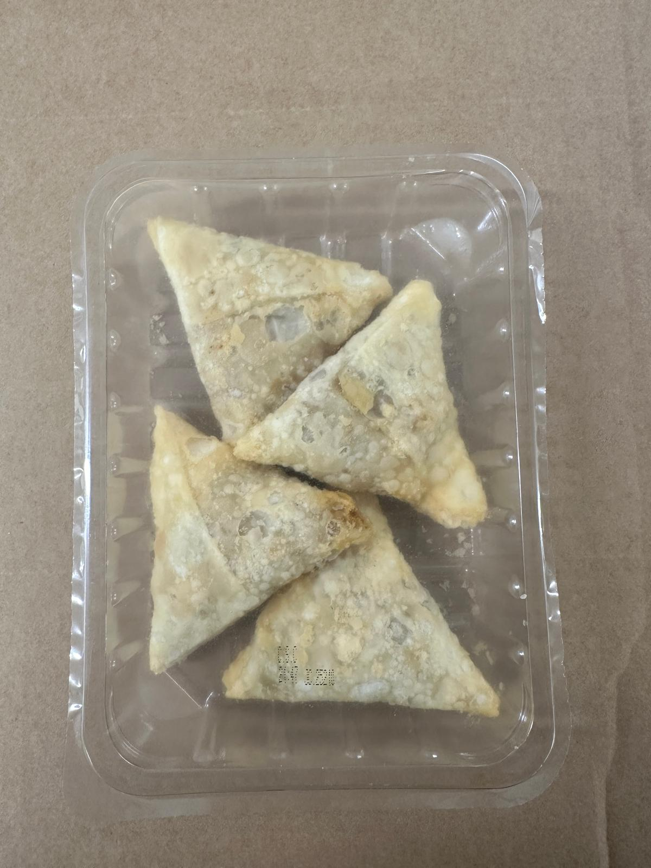

Tray: SK4 Plain Clear (PKESS001-07) |  |  |  |  | Chicken Tikka Samosa 40g-(RMWEI002-01): 4 pieces
Film: K-peel 7G+25A/f-275mm (PKKMP001-03) |  |  |  |  | Total Weight: 160g
ALLERGY ALERT: WHEAT,SOYA

